Sheet2
Row Labels | Sum of Revenue | Row Labels | Sum of Revenue | Row Labels | Sum of sold
Versace | $4,462,322.3 | Men | $25,809,208.1 | Men | 761669
Calvin Klein | $3,767,046.5 | Women | $13,888,091.0 | Women | 489364
Davidoff | $1,682,640.8 | Grand Total | $39,697,299.1 | Grand Total | 1251033
Azzaro | $1,673,078.6
Revenue by gender
Burberry | $1,227,084.1
Dolce & Gabbana | $1,090,757.3
Paco Rabanne | $1,071,818.8
Yves Saint Laurent | $995,727.1
Armaf | $967,786.8
Ralph Lauren | $938,143.9
Grand Total | $17,876,406.1
Top brands by Revenue
Total sold by Gender

Sheet3
Row Labels | Sum of Revenue | Row Labels | Count of title | Row Labels | Average of price
Eau de Toilette | $24,097,669.8 | Lancôme | 37 | Amouage | $166.2
Eau de Parfum | $9,869,309.2 | Carolina Herrera | 42 | As Picture Show | $128.5
unknown | $1,301,879.3 | Armaf | 42 | Claude Marsal | $180.0
Eau de Cologne | $1,030,242.6 | Paco Rabanne | 47 | fragance one | $180.0
Eau de Perfume | $709,082.3 | Ralph Lauren | 50 | Giardini Di Toscana | $140.0
Eau de Parfume | $541,848.3 | Unbranded | 50 | Heaven Scents | $140.0
Perfume | $314,958.1 | Versace | 53 | Maison Francis Kurkdjian | $150.0
Eau de Cologne Spray, Cologne Spray | $225,489.7 | Yves Saint Laurent | 55 | Roja Dove | $130.0
Eau de Parfum, Spray | $202,286.3 | Dolce&Gabbana | 62 | Superz Budapest | $125.0
Perfume, Eau de Parfum | $175,693.8 | Giorgio Armani | 72 | Topshelf | $140.0
Grand Total | $38,468,459.3 | Grand Total | 510 | Grand Total | $143.9
Perfume Type Revenue Distribution
High priced Brands
Top Brands by Number of Perfumes

$39,697,299.1

Dashboard
PERFUME SALES DASHBOARD

Total Revenue
$39.70M
Total Unit Sold
1.25M
Total Brands
373
Average Price
$43.2
Total Perfumes
2000

Top brands by Revenue
 | Total
Versace | $4,462,322.3
Calvin Klein | $3,767,046.5
Davidoff | $1,682,640.8
Azzaro | $1,673,078.6
Burberry | $1,227,084.1
Dolce & Gabbana | $1,090,757.3
Paco Rabanne | $1,071,818.8
Yves Saint Laurent | $995,727.1
Armaf | $967,786.8
Ralph Lauren | $938,143.9
Revenue by gender
 | Total
Men | $25,809,208.1
Women | $13,888,091.0
Revenue by Perfume Type
 | Total
Eau de Toilette | $24,097,669.8
Eau de Parfum | $9,869,309.2
unknown | $1,301,879.3
Eau de Cologne | $1,030,242.6
Eau de Perfume | $709,082.3
Eau de Parfume | $541,848.3
Perfume | $314,958.1
Eau de Cologne Spray, Cologne Spray | $225,489.7
Eau de Parfum, Spray | $202,286.3
Perfume, Eau de Parfum | $175,693.8
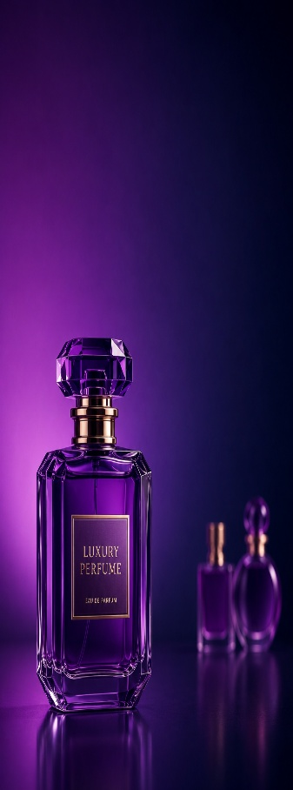

High priced Brands
 | Total
Amouage | $166.2
As Picture Show | $128.5
Claude Marsal | $180.0
fragance one | $180.0
Giardini Di Toscana | $140.0
Heaven Scents | $140.0
Maison Francis Kurkdjian | $150.0
Roja Dove | $130.0
Superz Budapest | $125.0
Topshelf | $140.0
Total sold by Gender
 | Total
Men | 761669
Women | 489364
Top Brands by Number of Perfumes
 | Total
Lancôme | 37
Carolina Herrera | 42
Armaf | 42
Paco Rabanne | 47
Ralph Lauren | 50
Unbranded | 50
Versace | 53
Yves Saint Laurent | 55
Dolce&Gabbana | 62
Giorgio Armani | 72

